HALYARD FLUIDSHIELD MASKS
HALYARD NO. | IMAGE | PRODUCT DESCRIPTION | BOX/CASE | UNIT QTY/CASE | PRICE/UNIT | PRICE/CASE | CASE QTY AVAIL. | TOTAL UNIT QTY | EXTENDED TOTAL
28800 | 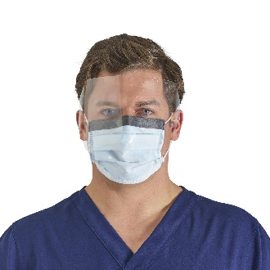 | HALYARD FLUIDSHIELD* Level 3 Fog-Free Procedure Mask, WrapAround Visor, Orange, BFE (3) ≥ 99%, PFE (.1) ≥ 99%, 28800 (Box of 25) | 4 | 100 | $4.19 | $419.00 | 2 | 200 | $838.00
28821 | 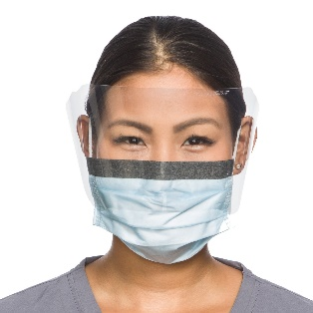 | HALYARD FLUIDSHIELD* Level 2 Fog-Free Procedure Mask, WrapAround Visor, Blue, BFE (3):99.9%, PFE (.1):99.1%, ASTM Level of Protection:2, 28821 (Box of 25) | 4 | 100 | $4.19 | $419.00 | 6 | 600 | $2,514.00
47147 |  | HALYARD FLUIDSHIELD* Level 3 Fog-Free Procedure Mask, WrapAround Visor, Orange, 47147 (Box of 25) | 4 | 100 | $4.19 | $419.00 | 139 | 13900 | $58,241.00
47625 | 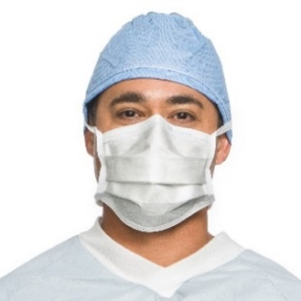 | HALYARD High Filtration Surgical Mask, 47625 (Box of 35) | 6 | 210 | $4.75 | $997.50 | 10 | 2100 | $9,975.00
47650 |  | HALYARD High Filtration Surgical Mask, 47650 (Box of 35) | 6 | 210 | $4.75 | $997.50 | 43 | 9030 | $42,892.50
48220 |  | HALYARD* Duckbill Surgical Mask, blue, BFE (3) ≥ 96%, PFE (.1) ≥ 97%, 48220 (Box of 50) | 6 | 300 | $3.65 | $1,095.00 | 200 | 60000 | $219,000.00
48390 | 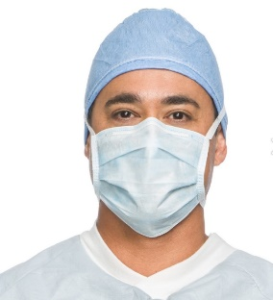 | HALYARD Surgical Mask, White, BFE (3) ≥ 98%, 48390 (Box of 50) | 6 | 300 | $3.65 | $1,095.00 | 50 | 15000 | $54,750.00
49214 |  | HALYARD Anti-Fog Surgical Mask, Blue, BFE (3) ≥ 98%, 49214 (Box of 50) | 6 | 300 | $4.20 | $1,260.00 | 36 | 10800 | $45,360.00
49215 | 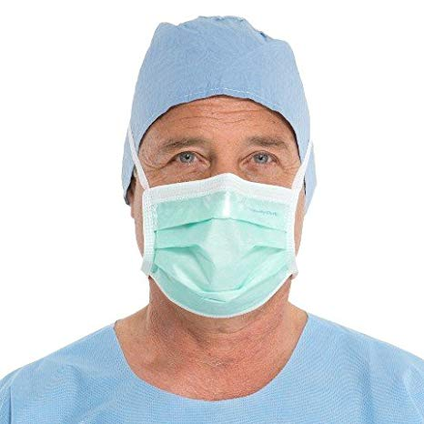 | HALYARD Anti-Fog Surgical Mask, Green, BFE (3) ≥ 99%, PFE (.1) ≥ 99%, 49215 (Box of 50) | 6 | 300 | $3.20 | $960.00 | 70 | 21000 | $67,200.00
62116 | 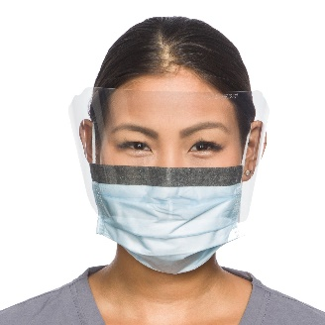 | HALYARD FLUIDSHIELD* Level 2 Fog-Free Procedure Mask, WrapAround Visor, 62116 (Box of 25) | 4 | 100 | $4.40 | $440.00 | 61 | 6100 | $26,840.00
Bank Wire 100% before Pickup |  |  |  |  |  |  |  | 138730 | $527,610.50
EXW Miami
Subject to Availability

